Sheet1
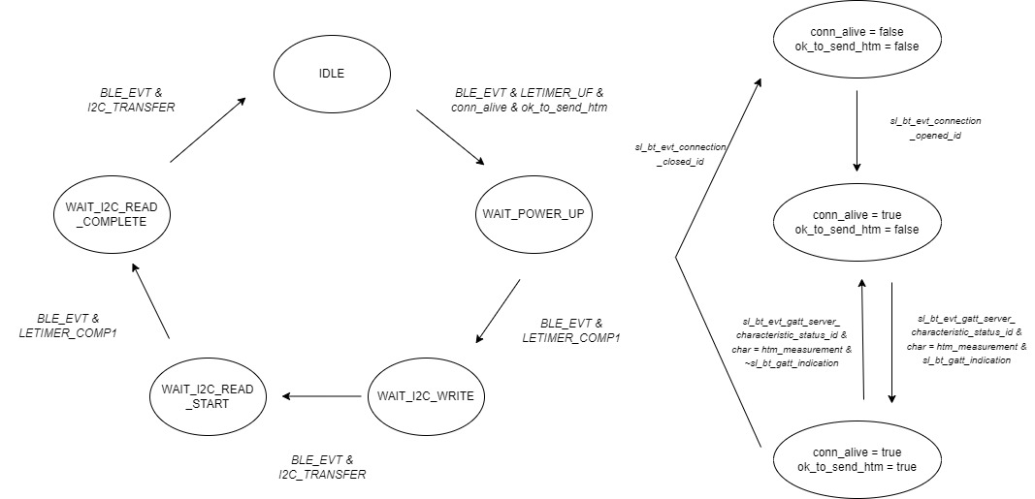
 | Server Command Table for A8

 | Use this table to help you design your program. Add rows as needed. | Use this column to describe when and what your LCD display changes to for rows like DISPLAY_ROW_CONNECTION | Use this column to denote if BT stack events cause your state machine to advance, you can put an X in the cell to note this. Drawing a bubble diagram of your state machine might also be a good idea 👍. | Commands that may be useful: sl_bt_gatt_discover_primary_services_by_uuid() sl_bt_gatt_discover_characteristics_by_uuid()
 | Event | LCD Display State | Advances State Machine | Commands called in response to event | Notes
Events Common to Slaves/Clients
 | sl_bt_evt_system_boot_id |  |  | This event is generated on stack boot up | You can also document in column D values that need to be saved in response to receiving BT stack events.
 |  |  |  | sl_bt_sm_delete_bondings() | Delete previous bondings per A8 spec
 |  |  |  | sl_bt_system_get_identity_address() sl_bt_advertiser_create_set() sl_bt_advertiser_set_timing() sl_bt_legacy_advertiser_generate_data() sl_bt_legacy_advertiser_start()

 |  | DISPLAY_ROW_CONNECTION, "Advertising" DISPLAY_ROW_9, "Button Released" or "Button Pressed"
 |  |  |  | sl_bt_sm_configure() | Security manager, flag set to 0x2F
 | sl_bt_evt_connection_opened_id
 |  | DISPLAY_ROW_CONNECTION, "Connected" |  | sl_bt_advertiser_stop() sl_bt_connection_set_parameters() | Request Bluetooth Connection parameters to client, may be ignored by client
 |  |  | Doesn't affect SI7021 state machine, but necessary to set htm_indication to advance from Idle state
 | sl_bt_evt_connection_closed_id | DISPLAY_ROW_TEMP_VALUE, "" DISPLAY_ROW_PASSKEY, "" DISPLAY_ROW_ACTION, "" |  | clear_flags_and_led() sl_bt_legacy_advertiser_generate_data() sl_bt_legacy_advertiser_start()
 |  | DISPLAY_ROW_CONNECTION, "Advertising" |  | sl_bt_sm_delete_bondings() | Close all bondings on conenction disconnect
 | sl_bt_evt_system_soft_timer_id |  |  | sl_bt_gatt_server_send_indication() displayUpdate() - not a BLE function | Send Indication is queue not empty Prevent charge build-up on LCD

 | sl_bt_evt_system_external_signal_id |  |  |  | Only for PB0 button presses (since it's not state machine)
 |  | DISPLAY_ROW_9, "Button Released" or "Button Pressed" |  | update_PB0gatt() sl_bt_gatt_server_send_indication() | Update GATT characteristic, update display If indiation enabled
 |  |  |  | sl_bt_sm_passkey_confirm() | If checking passkey for bonding
 |  |  | X | temperature_state_machine | Update temperature state machine for all events not related to PB0
 |  |  | IDLE->WAIT_POWER_UP WAIT_POWER_UP->WAIT_I2C_WRITE WAIT_I2C_WRITE->WAIT_I2C_READ_START WAIT_I2C_READ_START->WAIT_I2C_READ_COMPLETE WAIT_I2C_READ_COMPLETE->IDLE | BLE_LETIMER0_UF_FLAG BLE_LETIMER0_COMP1_FLAG BLE_I2C_TRANSFER_FLAG BLE_LETIMER0_COMP1_FLAG BLE_I2C_TRANSFER_FLAG
Events only for Slaves/Server
 | sl_bt_evt_gatt_server_characteristic_status_id
 |  | DISPLAY_ROW_TEMP_VALUE, temperature or "" | Doesn't affect SI7021 state machine, but necessary to set htm_indication to advance from Idle state | check_CCCD_change() or set_indication_received() gpioLEDsetOn/Off | If indication change, toggle LED0/LED1
 | sl_bt_evt_sm_confirm_bonding_id
 |  |  |  | sl_bt_sm_bonding_confirm()
 | sl_bt_evt_sm_confirm_passkey_id
 |  | DISPLAY_ROW_PASSKEY, passkey DISPLAY_ROW_ACTION, "Confirm with PB0" |  | displayprintf() | Display the passkey
 | sl_bt_evt_sm_bonded_id
 |  | DISPLAY_ROW_CONNECTION, "Bonded" DISPLAY_ROW_PASSKEY, "" DISPLAY_ROW_ACTION, "" |  | displayprintf()
 | sl_bt_evt_sm_bonding_failed_id |  |  | LOG_ERROR() sl_bt_connection_close() | Log Error and close connection

